Place Floor Here.
 | FF&E Schedule Template |  |  |  | or better yet: Try this on Fohlio

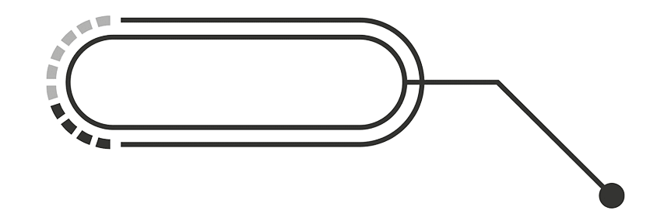 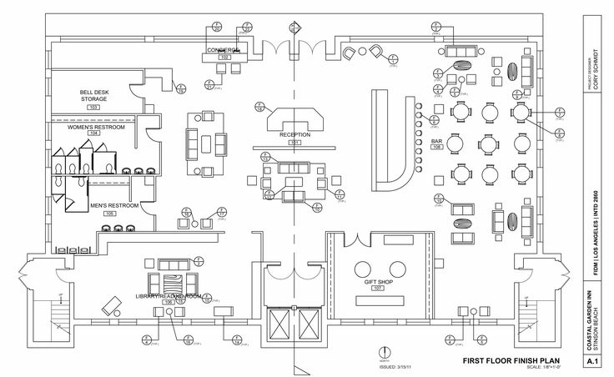 Reference Image Here: |  |  | Room Type: | Lobby
 |  |  | Room Area: | Lobby- Lounge Area
 |  |  | Area (sqm/sqft):
 |  |  | Prepared by:
 |  |  | Notes:
Add a 3d perspective or itemized layout
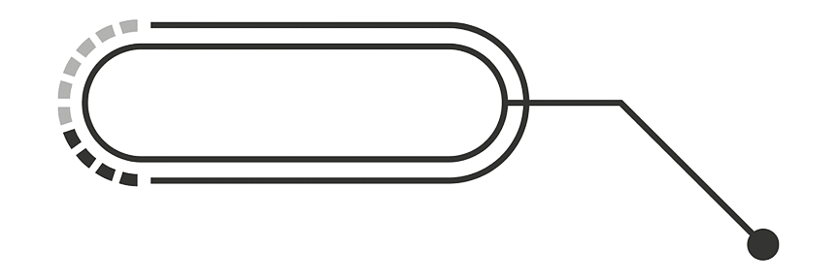
Duplicate these rows however you need to!

Furniture (F)
Reference Image | Tag/ Ref. No. | Division No. | Link | Location | Item Name | Item Code | Dimensions | Finish | Quantity | Manufacturer | Supplier | Contact Details | Trade Unit Price | Markup (%) | Client Total Price | Approver 1 | Approver 2 | Notes:
 | F-01 |  |  |  |  |  | L: |  |  |  |  | Name |  |  |  | FALSE | FALSE
 |  |  |  |  |  |  | W: |  |  |  |  | Email
 |  |  |  |  |  |  | H: |  |  |  |  | Contact No.
 | F-02 |  |  |  |  |  | L: |  |  |  |  | Name |  |  |  | FALSE | FALSE
 |  |  |  |  |  |  | W: |  |  |  |  | Email
 |  |  |  |  |  |  | H: |  |  |  |  | Contact No.
 | F-03 |  |  |  |  |  | L: |  |  |  |  | Name |  |  |  | FALSE | FALSE
 |  |  |  |  |  |  | W: |  |  |  |  | Email
 |  |  |  |  |  |  | H: |  |  |  |  | Contact No.

Fixture (Fx)
Reference Image | Tag/ Ref. No. | Division No. | Link | Location | Item Name | Item Code | Dimensions | Finish | Quantity | Manufacturer | Supplier | Contact Details | Price per item | Markup (%) | Total Price | Approver 1 | Approver 2 | Notes:
 | Fx-01 |  |  |  |  |  | L: |  |  |  |  | Name |  |  |  | FALSE | FALSE
 |  |  |  |  |  |  | W: |  |  |  |  | Email
 |  |  |  |  |  |  | H: |  |  |  |  | Contact No.
 | Fx-02 |  |  |  |  |  | L: |  |  |  |  | Name |  |  |  | FALSE | FALSE
 |  |  |  |  |  |  | W: |  |  |  |  | Email
 |  |  |  |  |  |  | H: |  |  |  |  | Contact No.
 | Fx-03 |  |  |  |  |  | L: |  |  |  |  | Name |  |  |  | FALSE | FALSE
 |  |  |  |  |  |  | W: |  |  |  |  | Email
 |  |  |  |  |  |  | H: |  |  |  |  | Contact No.

Equipment (E)
Reference Image | Tag/ Ref. No. | Division No. | Link | Location | Item Name | Item Code | Dimensions | Finish | Quantity | Manufacturer | Supplier | Contact Details | Price per item | Markup (%) | Total Price | Approver 1 | Approver 2 | Notes:
 | E-01 |  |  |  |  |  | L: |  |  |  |  | Name |  |  |  | FALSE | FALSE
 |  |  |  |  |  |  | W: |  |  |  |  | Email
 |  |  |  |  |  |  | H: |  |  |  |  | Contact No.
 | E-02 |  |  |  |  |  | L: |  |  |  |  | Name |  |  |  | FALSE | FALSE
 |  |  |  |  |  |  | W: |  |  |  |  | Email
 |  |  |  |  |  |  | H: |  |  |  |  | Contact No.
 | E-03 |  |  |  |  |  | L: |  |  |  |  | Name |  |  |  | FALSE | FALSE
 |  |  |  |  |  |  | W: |  |  |  |  | Email
 |  |  |  |  |  |  | H: |  |  |  |  | Contact No.

